Title Sheet
KPMG Virtual Internship
Sprocket Central Pty Ltd Data Set

To view the datasets, click on the yellow tabs/sheets at the bottom of this file
Click on the sheets are named "CustomerDemographic", "CustomerAddress", "Transactions" and "NewCustomerList"

Module 1 Task | Module 2 Task | Module 3 Task
Your task is to take a look at the following datasets provided by Sprocket Central Pty Ltd and identify all data quality issues. Once you've had a look at these datasets, draft an email to the client identifying all data quality issues. | Create a PowerPoint presentation wihch outlines the approach we will be taking to identify which of the 1000 customers Sprocket Central Pty Ltd should target, based on this dataset. Explain the three phases: Data Exploration; Model Development and Interpretation. | Please develop a dashboard that we can present to the client at our next meeting. Display your data summary and results of the analysis in a dashboard (see tools/references for assistance). Specifically, your presentation should specify who Sprocket Central Pty Ltd' should be targeting out of the new 1000 customer list.

Return to the virtual internship here:
https://www.insidesherpa.com/virtual-internships/theme/m7W4GMqeT3bh9Nb2c/KPMG-Data-Analytics-Virtual-Internship

© 2018 KPMG, an Australian partnership and a member firm of the KPMG network of independent member firms affiliated with KPMG International Cooperative (“KPMG International”), a Swiss entity. All rights reserved.

Need some help getting started, or new to excel/data?
Here is a warm up task with this dataset

Warm up task:
1) Review the datasets provided by Sprocket Central Pty Ltd. You can navigate through the sheets by clicking the tabs at the bottom of the page.
2) Open the 'CustomerDemographic' dataset.
3) Select the entire dataset by clicking on the cell in the uppermost top-left corner (as shown in the picture below).
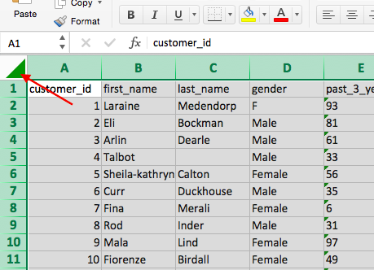

4) After selecting the entire dataset, go to the top bar of the sheet and click on 'Data'. Then, click on 'Filter' (as shown in the picture below). This will enable filtering for the dataset. You will notice arrows appearing in each cell of the top row. Clicking on these arrows will display a pop-up that allows you to select specific values. Familiarize yourself with the 'Filter' tool as it will be essential for analysis in the later modules.

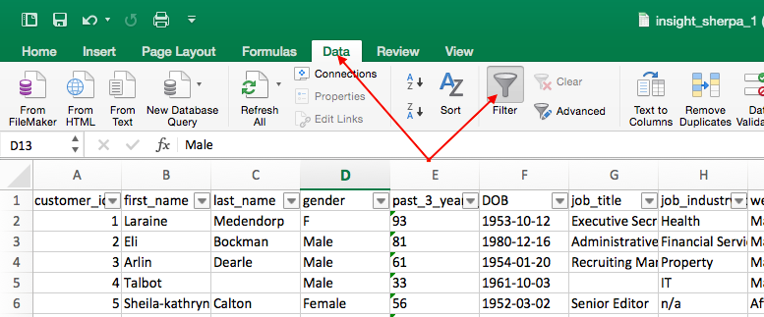

5) In the 'DOB' column, click on the filter arrow. A pop-up will appear, allowing you to sort the data. Click on 'Ascending' to sort the dataset from least to most recent, with the earliest dates of birth at the top and the latest dates of birth at the bottom. After sorting, your dataset should resemble the picture below.

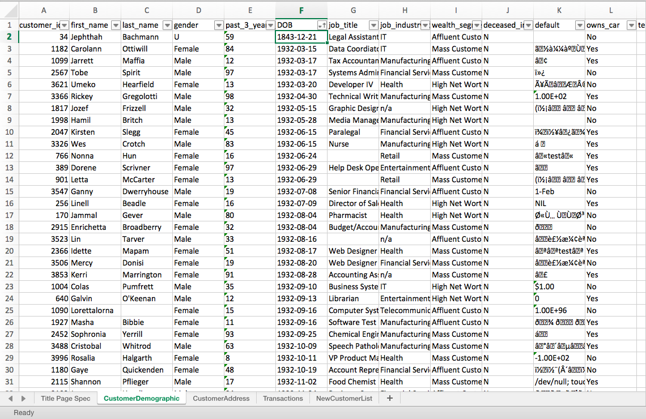

6) As you review the data, you might notice something unusual. Take a look at the first customer, Jephthah Bachmann, whose birth year is recorded as 1843. This would make them 175 years old, which seems incorrect. It's important to highlight this anomaly in the data when communicating with the client.

7) In the remainder of Module 1, your task is to thoroughly examine the client datasets and identify any issues similar to the one mentioned above with the date of birth (DOB) data. We recommend creating a bullet-point list in a Word document to document any problems you find before drafting your email to the client. It is crucial to refer to the 'Data Quality Framework Table' provided in the module resources to guide your evaluation. Keep in mind that the parameters and criteria are intentionally vague to simulate real-world scenarios. Utilize external resources like Google and YouTube to assist you in this task. Even if you feel uncertain about the quality of your final email, give it a try, submit the task, and you will have the opportunity to review model work, which is an actual email submitted by a KPMG Data Analyst.

